Calcolo coefficiente Theta
 | P | d | V | H | q | Esito | Coef. Ampl. | 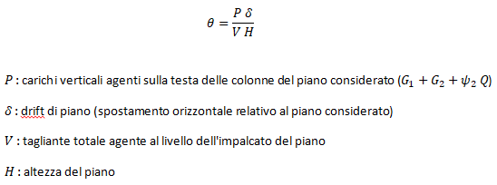 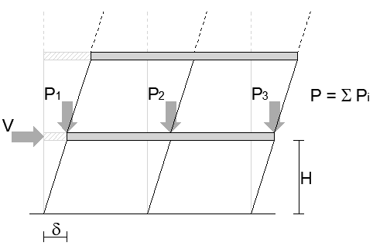
 | [KN] | [mm] | [KN] | [mm]
Piano 1 | 846.33 | 32.6 | 45.39 | 4000 | 0.152 | Considera | 1.18
Piano 2 |  |  |  |  | -
Piano 3 |  |  |  |  | -
Piano 4 |  |  |  |  | -
Piano 5
Piano 6 |  |  |  |  | -
Piano 7 |  |  |  |  | -
Piano 8 |  |  |  |  | -
Piano 9 |  |  |  |  | -
Piano 10 |  |  |  |  | -
Piano 11 |  |  |  |  | -
Piano 12 |  |  |  |  | -
Piano 13 |  |  |  |  | -
Piano 14 |  |  |  |  | -
Piano 15 |  |  |  |  | -
Piano 16 |  |  |  |  | -
Piano 17 |  |  |  |  | -
Piano 18 |  |  |  |  | -
Piano 19 |  |  |  |  | -
Piano 20 |  |  |  |  | -

